Suspension Points
Car Properties Inputs
 |  |  |  |  |  |  |  |  |  | *** Analysing Right Components *** i.e Y values should be Negative
GRC 2019
Dim. |  | Wheel Base |  |  |  | 1576.38 | mm
 |  | Front Track |  |  |  | 1305.80
 |  | Rear Track |  |  |  | -1232.78
Suspension Geometry Input |  |  |  | X | Y | Z |  | LOTUS X
Front | Lower | Chassis Aft |  | 610.00 | -215.00 | 120.00 | mm | -390.00 | Output Kinematic Properties Front |  |  |  |  |  | Output Link Lengths
 |  | Chassis Fore |  | 970.00 | -215.00 | 120.00 |  | -30.00
 |  | Upright |  | 904.91 | -610.17 | 134.93 |  | -95.09 |  | Kinematic Outputs | X | Y | Z |  | Link Geometry Output |  | Length | Unit
 | Upper | Chassis Aft |  | 622.00 | -287.00 | 336.00 | mm | -378.00 | Front | Lower Chassis 2D Mount | 842.10 | -215.00 | 120.00 | mm | Front | Lower Aft Link | 493.31 | mm
 |  | Chassis Fore |  | 974.00 | -287.00 | 336.00 |  | -26.00 |  | Lower Balljoint (Upright) | 842.10 | -610.17 | 134.93 |  |  | Lower Fore Link | 400.77
 |  | Upright |  | 883.09 | -610.16 | 384.36 |  | -116.91 |  | Upper Chassis 2D Mount | 842.10 | -287.00 | 336.00 | mm |  | Upper Aft Link | 418.26 | mm
 | Pullrod Susp. | Rocker Chassis Pivot |  | 810.77 | -266.76 | 122.39 | mm | -189.23 |  | Upper Balljoint (Upright) | 842.10 | -610.16 | 384.36 |  |  | Upper Fore Link | 339.17
 |  | Rocker Pivot Axis |  | 930.99 | -155.74 | 236.64 |  | -69.01 |  | Tire Centerline (Ground) | 842.10 | -652.90 | 260.35 | mm |  | Pullrod Link | 404.33 | mm
 |  | Shock Rocker Mount |  | 895.95 | -267.63 | 142.80 |  | -104.05 |  | Wheel Center | 842.10 | -648.36 | 260.35 |  |  | Tierod Link | 443.36
 |  | Shock Chassis |  | 650.00 | -260.00 | 285.00 |  | -350.00 |  | Front View Instant Center | 842.10 | 1619.810 | 50.682 | mm | Rear | Lower Aft Link | 371.08 | mm
 |  | Pullrod Rocker Mount |  | 858.09 | -230.39 | 129.53 |  | -141.91 |  | Roll Center | 842.10 | 0.00 | 14.560 |  |  | Lower Fore Link | 418.98
 |  | Pullrod Upright |  | 883.18 | -565.64 | 354.17 |  | -116.82 |  | Fvsa Length |  | -2272.71 |  |  |  | Upper Aft Link | 277.93 | mm
 | Steering | Tierod Upright |  | 835.72 | -628.71 | 168.29 | mm | -164.28 |  | Fvsa Angle |  | 5.27 |  | deg |  | Upper Fore Link | 353.22
 |  | Tierod Rack |  | 737.96 | -197.67 | 133.42 |  | -262.04 |  | King Pin Angle |  | -0.001 |  |  |  | Pullrod Link | 287.78 | mm
 |  | Rack Center |  | 737.96 | 0.00 | 133.42 |  | -262.04 |  | Scrub Radius |  | -42.733 |  | mm |  | Toe Link | 353.28
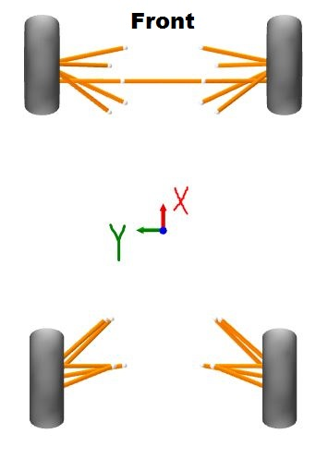
 | Wheel | Longitudinal Offset (X Dist.) |  | 842.10 |  |  | mm | -157.90 |  | Side View Instant Center | #DIV/0! | -652.90 | #DIV/0! | mm
 |  | Half Track (Y Dist.) |  | -652.90 |  |  |  |  |  | Svsa Length |  | #DIV/0!
 |  | Rim Offset |  | 24.00 |  |  |  | -976.00 |  | Svsa Angle |  | #DIV/0! |  | deg
 |  | Rim dia. |  | 330.00 |  |  |  | -670.00 |  | Caster Angle |  | -18.290
 |  | Tire Dia. |  | 520.70 |  |  |  | -479.30 |  | Mechanical Trail |  | 74.620 |  | mm
 |  | Tire Width |  | 177.80 |  |  |  | -822.20
 |  | Static Camber |  | 1.0 |  |  | deg | -999.00
 |  | Static Toe |  | 0.0
Rear | Lower | Chassis Aft |  | -710.16 | -231.13 | 128.78 | mm | -1710.16 | Output Kinematic Properties Rear
 |  | Chassis Fore |  | -470.62 | -302.72 | 133.81 |  | -1470.62
 |  | Upright |  | -768.28 | -594.91 | 173.37 |  | -1768.28 |  | Kinematic Outputs | X | Y | Z
 | Upper | Chassis Aft |  | -709.22 | -287.60 | 298.79 | mm | -1709.22 | Rear | Lower Chassis 2D Mount | -734.28 | -223.92 | 128.27 | mm
 |  | Chassis Fore |  | -471.39 | -327.55 | 307.42 |  | -1471.39 |  | Lower Balljoint (Upright) | -734.28 | -594.91 | 173.37
 |  | Upright |  | -734.26 | -559.35 | 351.42 |  | -1734.26 |  | Upper Chassis 2D Mount | -734.28 | -283.39 | 297.88 | mm
 | Pullrod Susp. | Rocker Chassis Pivot |  | -548.14 | -275.91 | 160.69 | mm | -1548.14 |  | Upper Balljoint (Upright) | -734.28 | -559.35 | 351.42
 |  | Rocker Pivot Axis |  | -551.85 | -266.00 | 171.78 |  | -1551.85 |  | Tire Centerline (Ground) | -734.28 | -616.39 | 260.35 | mm
 |  | Shock Rocker Mount |  | -537.93 | -337.10 | 218.81 |  | -1537.93 |  | Wheel Center | -734.28 | -611.85 | 260.35
 |  | Shock Chassis |  | -337.01 | -349.68 | 297.34 |  | -1337.01 |  | Front View Instant Center | -734.28 | 1957.732 | -136.923 | mm
 |  | Pullrod Rocker Mount |  | -601.09 | -289.80 | 155.37 |  | -1601.09 |  | Roll Center | -734.28 | 0.00 | -32.787
 |  | Pullrod Upright |  | -708.39 | -505.84 | 312.32 |  | -1708.39 |  | Fvsa Length |  | -2574.12
 | Toe Link | Toe Link Upright |  | -658.28 | -594.52 | 195.87 | mm | -1658.28 |  | Fvsa Angle |  | 8.77 |  | deg
 |  | Toe Link Frame |  | -658.28 | -244.15 | 150.61 |  | -1658.28 |  | Side View Instant Center | -11828.53 | -616.39 | -104.69 | mm
 | Wheel | Longitudenal Offset (X Dist.) |  | -734.28 |  |  | mm |  |  | Svsa Length |  | 11094.25
 |  | Half Track (Y Dist.) |  | -616.39 |  |  |  |  |  | Svsa Angle |  | -1.767643 |  | deg
 |  | Rim Offset |  | 11 |  |  |  |  |  | Castor Angle |  | -0.013
 |  | Rim dia. |  | 330.00 |  |  |  |  |  | Mechanical Trail |  | -67.126 |  | mm
 |  | Tire Dia. |  | 520.70 |  |  |  |  |  | Toe Link Frame |  |  |  | mm
 |  | Tire Width |  | 177.80
 |  | Static Camber |  | 1.0 |  |  | deg
 |  | Static Toe |  | 0.0

 |  | Rim Specs 2019 | Front | Rear | Comments
 |  | Width(in.)
 |  | Diameter(in.)
 |  | Offset(mm)
 |  | PCD(in.) ((Diameter))
 |  | Lug Diameter (in)
 |  | Mounting Holes
 |  | Center Hole Diam(mm)

Wisbone Force Calcs
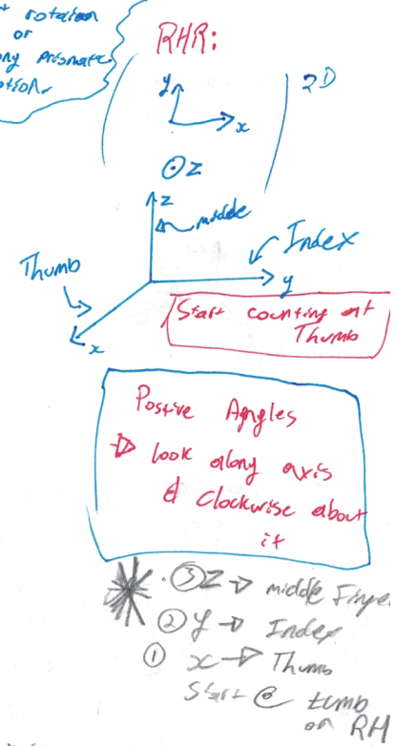
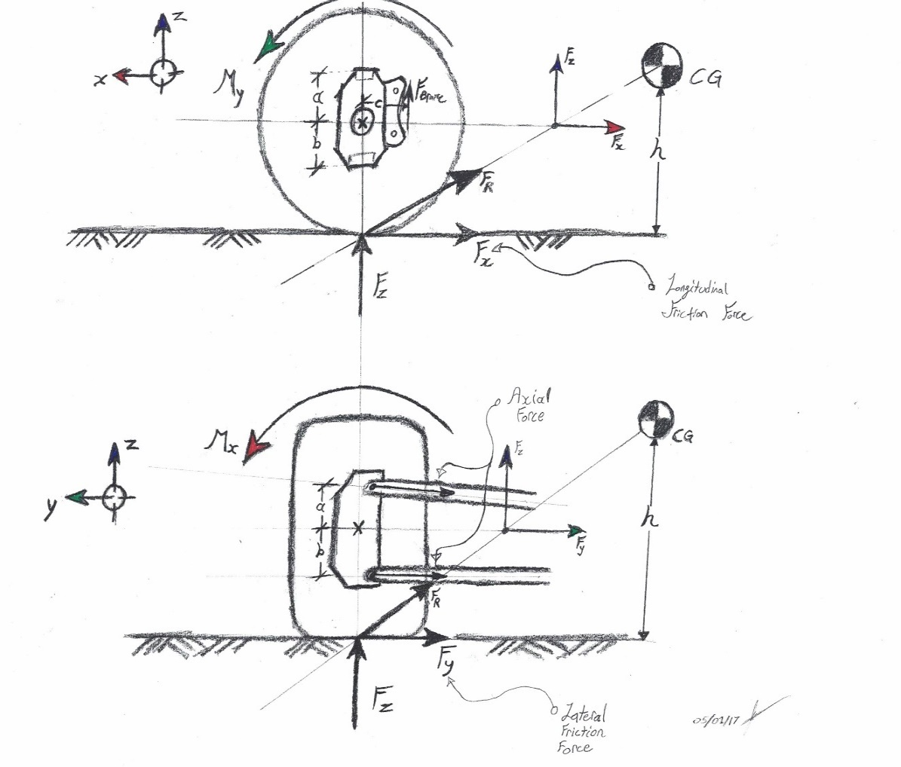
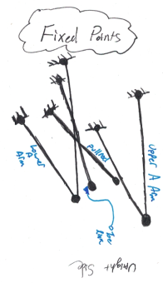
Car Properties Inputs

GRC 2019 |  |  |  |  |  |  | *** Analysing Right Components *** On Left Hand Turn
Dim. |  | Wheel Base |  |  | 1576.38 | mm
 |  | Front Track |  |  | 1305.80
 |  | Rear Track |  |  | 1232.78
 |  | Car Mass (With Driver) |  |  | 300.00 | kg
 |  | Mass Distribution (front) |  |  | 48.00 | %
 |  | CG Z |  |  | 280.00 | mm
 |  | CG Y |  |  | 0.00 |  | Braking |  |  |  |  |  |  | Lateral Force |  |  |  |  |  |  |  |  | Combined Loads
Suspension Geometry Input |  |  | X | Y | Z
Front | Lower | Chassis Aft | 610.00 | -215.00 | 120.00 | mm |  |  |  |  | Front | Rear | Units |  |  |  |  |  | Front | Rear | Units |  |  |  |  |  |  |  | Front | Rear | Units
 |  | Chassis Fore | 970.00 | -215.00 | 120.00 |  | Dim. | Braking G's |  |  | 1.6 |  | Accel. | Dim. | Lateral G's |  |  |  |  |  | Accel. |  | Dim. | Total Mass (One Wheel) |  |  |  |  | 114.629 | 35.371 | kg
 |  | Upright | 904.91 | -610.17 | 134.93 |  |  | Friction Coeff |  |  | 1.600 | 1.600 |  |  | Friction Coeff |  |  |  |  |  |  |  |  | Combined Verticle Load (One Wheel Z) |  |  |  |  | 1124.514 | 346.986 | N
 | Upper | Chassis Aft | 622.00 | -287.00 | 336.00 | mm |  | Long. Mass Transfer (One Wheel) |  |  | 42.629 | -42.629 | kg |  | Lateral Mass Transfer (One Wheel) |  |  |  | 0.000 | 0.000 | kg |  |  | Friction Force At Tire (Y) |  |  |  |  | 0.000 | 0.000
 |  | Chassis Fore | 974.00 | -287.00 | 336.00 |  |  | Long. Total Mass of (One Wheel) |  |  | 114.629 | 35.371 |  |  | Lateral Mass (One Wheel) |  |  |  | 72.000 | 78.000 |  |  |  | Friction Force at Tire (X) |  |  |  |  | -1799.22 | -555.18
 |  | Upright | 883.09 | -610.16 | 384.36 |  |  | Long. Verticle Load (One Wheel Z) |  |  | 1124.51 | 346.99 | N |  | Lateral Verticle Load (One Wheel Z) |  |  |  | 706.320 | 765.180 | N
 | Pullrod Susp. | Rocker Chassis Pivot | 810.77 | -266.76 | 122.39 | mm |  | Friction Force at Tire (X) |  |  | -1799.22 | -555.18 |  |  | Friction Force At Tire (Y) |  |  |  | 0.000 | 0.000
 |  | Rocker Pivot Axis | 930.99 | -155.74 | 236.64 |  |  | My about Wheel From Braking |  |  | -468.43 | -144.54 | Nm |  | Mx about Wheel From Lateral |  |  |  | 0.000 | 0.000 | Nm
 |  | Shock Rocker Mount | 895.95 | -267.63 | 142.80 |  |  | Caliper Radius |  |  | 108.990 | 91.800 | mm
 |  | Shock Chassis | 650.00 | -260.00 | 285.00 |  |  | Braking Force on Upright |  |  | -4297.89 | -1574.52 | N
 |  | Pullrod Rocker Mount | 858.09 | -230.39 | 129.53
 |  | Pullrod Upright | 883.18 | -565.64 | 354.17
 | Steering | Tierod Upright | 835.72 | -628.71 | 168.29 | mm
 |  | Tierod Rack | 737.96 | -197.67 | 133.42 |  |  | Output Axial Force Front (Right Front) |  |  |  |  |  | Front Unit Vectors |  |  |  |  |  | Front "A" Matrix |  |  |  |  |  | "B" |  | Forces acting at the contact patch, Moment about car origin
 |  | Rack Center | 737.96 | 0.00 | 133.42
 | Wheel | Tire Dia. | 520.70 |  |  | mm |  | Lower Aft Link | 4141.07 | N | Compression |  |  |  |  | X | Y | Z |  | -0.598 | 0.162 | -0.624 | 0.268 | 0.220 | -0.062 | -1799.222 | Fx
 |  | Tire Width | 206.00 |  |  |  |  | Lower Fore Link | -4480.98 |  | Tension |  |  | Lower Aft |  | -0.598 | 0.801 | -0.030 |  | 0.801 | 0.986 | 0.773 | 0.953 | 0.972 | 0.829 | 0.000 | Fy
 |  | Wheel Center |  |  |  |  |  | Upper Aft Link | -411.92 |  | Tension |  |  | Lower Fore |  | 0.162 | 0.986 | -0.037 |  | -0.030 | -0.037 | -0.116 | -0.143 | -0.079 | -0.556 | 1124.514 | Fz
 |  | Contact Patch | 842.10 | -652.90 | 0.00 |  |  | Upper Fore Link | 2764.06 |  | Compression |  |  | Upper Aft |  | -0.624 | 0.773 | -0.116 |  | -0.090 | -0.110 | -0.226 | -0.279 | -0.114 | 0.021 | -734.195 | Mx
 |  | Upright Orgin |  |  |  |  |  | Tierod Link | 1074.99 |  | Compression |  |  | Upper Fore |  | 0.268 | 0.953 | -0.143 |  | -0.053 | 0.056 | -0.138 | 0.229 | 0.103 | 0.469 | -946.953 | My
 |  | Wheel Bearing Effective Dist. |  |  |  |  |  | Pullrod Link | -2724.89 |  | Tension |  |  | Tierod |  | 0.220 | 0.972 | -0.079 |  | 0.360 | 0.991 | 0.301 | 1.005 | 0.951 | 0.697 | -1174.712 | Mz
Rear | Lower | Chassis Aft | -710.16 | -231.13 | 128.78 | mm |  | Output Axial Force Rear (Right Rear) |  |  |  |  |  | Pullrod |  | -0.062 | 0.829 | -0.556
 |  | Chassis Fore | -470.62 | -302.72 | 133.81
 |  | Upright | -768.28 | -594.91 | 173.37 |  |  | Lower Aft Link | 1133.55 | N | Compression |  |  | Output Front Link Lengths |  |  |  |  |  |  | Force Components (Right Front)
 | Upper | Chassis Aft | -709.22 | -287.60 | 298.79 | mm |  | Lower Fore Link | -1778.49 |  | Tension |  |  |  |  |  |  |  |  |  |  |  |  |  |  |  |  |  |  | Moments About Upright Origin (Right Front)
 |  | Chassis Fore | -471.39 | -327.55 | 307.42 |  |  | Upper Aft Link | -14.29 |  | Tension |  |  | Link Geometry Output |  |  | Length |  | Units |  |  |  |  | X | Y | Z
 |  | Upright | -734.26 | -559.35 | 351.42 |  |  | Upper Fore Link | 1135.34 |  | Compression |  |  | Front | Lower Aft Link |  | 493.307 |  | mm |  | Lower Aft Link |  |  | -2475.65 | 3317.22 | -125.32 |  |  |  | Mx |  | 0.00 | Nm
 | Pullrod Susp. | Rocker Chassis Pivot | -548.14 | -275.91 | 160.69 | mm |  | Toe Link | -28.06 |  | Tension |  |  |  | Lower Fore Link |  | 400.767 |  |  |  | Lower Fore Link |  |  | -727.74 | -4418.34 | 166.92 |  |  |  | My |  | Bearing | Nm
 |  | Rocker Pivot Axis | -551.85 | -266.00 | 171.78 |  |  | Pullrod Link | -839.03 |  | Tension |  |  |  | Upper Aft Link |  | 418.256 |  | mm |  | Upper Aft Link |  |  | 257.13 | -318.27 | 47.62 |  |  |  | Mz |  | 0.00 | Nm
 |  | Shock Rocker Mount | -537.93 | -337.10 | 218.81 |  |  |  |  |  |  |  |  |  | Upper Fore Link |  | 339.171 |  |  |  | Upper Fore Link |  |  | 740.89 | 2633.59 | -394.07
 |  | Shock Chassis | -337.01 | -349.68 | 297.34 |  |  | FEA Reaction Force Components (Right Front) |  |  |  |  |  |  | Tierod Link |  | 443.361 |  | mm |  | Toe Link |  |  | 237.04 | 1045.12 | -84.54
 |  | Pullrod Rocker Mount | -601.09 | -289.80 | 155.37 |  |  |  |  |  |  |  |  |  | Pullrod Link |  | 404.333 |  |  |  | Pullrod Link |  |  | 465.45 | -6218.57 | 4166.86
 |  | Pullrod Upright | -708.39 | -505.84 | 312.32 |  |  |  | X | Y | Z
 | Toe Link | Toe Link Upright | -658.28 | -594.52 | 195.87 | mm |  | Upper A Arm Reaction | -998.02 | -2315.33 | 346.44 | N
 |  | Toe Link Frame | -658.28 | -244.15 | 150.61 |  |  | Lower A Arm Reaction | 3203.39 | 1101.12 | -41.60 |  |  | Rear Unit Vectors |  |  |  |  |  | Rear "A" Matrix |  |  |  |  |  | "B" |  | Forces acting at the contact patch, Moment about car origin
 | Wheel | Tire Dia. | 520.70 |  |  | mm |  | Tie Rod | -237.04 | -1045.12 | 84.54
 |  | Tire Width | 206.00 |  |  |  |  | Pullrod | -465.45 | 6218.57 | -4166.86 |  |  |  |  | X | Y | Z |  | 0.157 | 0.710 | 0.090 | 0.744 | 0.000 | 0.373 | -555.178 | Fx
 |  | Wheel Center | -734.24 | -616.80 | 261.01 |  |  | Braking Force on Upright | 475.00 |  |  | Nm |  | Lower Aft |  | 0.157 | 0.980 | -0.120 |  | 0.980 | 0.697 | 0.978 | 0.656 | -0.992 | 0.751 | 0.000 | Fy
 |  | Contact Patch | -734.27 | -616.39 | 0.00 |  |  | FEA Reaction Force Components (Right Rear) |  |  |  |  |  | Lower Fore |  | 0.710 | 0.697 | -0.094 |  | -0.120 | -0.094 | -0.189 | -0.125 | 0.128 | -0.545 | 346.986 | Fz
 |  | Upright Orgin | -734.27 | -593.80 | 260.72 |  |  |  |  |  |  |  |  | Upper Aft |  | 0.090 | 0.978 | -0.189 |  | -0.098 | -0.065 | -0.238 | -0.161 | 0.118 | 0.041 | -213.879 | Mx
 |  | Wheel Bearing Effective Dist. | -734.27 | -581.30 | 226.72 |  |  |  | X | Y | Z |  |  | Upper Fore |  | 0.744 | 0.656 | -0.125 |  | -0.065 | 0.051 | -0.107 | 0.170 | 0.084 | -0.270 | 254.782 | My
 |  |  |  |  |  |  |  | Upper A Arm Reaction | -843.63 | -731.08 | 138.72 | N |  | Toe Link |  | 0.000 | -0.992 | 0.128 |  | -0.660 | -0.113 | -0.668 | -0.066 | 0.653 | -0.343 | -342.206 | Mz
 |  |  |  | Keep your coordinates in mind!! |  |  |  | Lower A Arm Reaction | 1085.98 | 129.05 | -31.72 |  |  | Pullrod |  | 0.373 | 0.751 | -0.545
 |  |  |  |  |  |  |  | Toe Link | 0.00 | -27.83 | 3.60
 |  |  |  |  |  |  |  | Pullrod | 2796.36 | 5630.26 | -4090.30 |  |  | Output Link Lengths |  |  |  |  |  |  | Force Components (Right Rear)
 |  |  |  |  |  |  |  | Braking Force on Upright | 475.00 |  |  | Nm
 |  |  |  |  |  |  |  |  |  |  |  |  |  | Link Geometry Output |  |  | Length |  | Units |  |  |  |  | X | Y | Z
 |  |  |  |  |  |  |  | Upright Wheel Bearing Forces (Right Front) |  |  |  |  |  | Rear | Lower Aft Link |  | 371.082 |  | mm |  | Lower Aft Link |  |  | 177.54 | 1111.25 | -136.21 | N
 |  |  |  |  |  |  |  |  |  |  |  |  |  |  | Lower Fore Link |  | 418.977 |  |  |  | Lower Fore Link |  |  | -1263.52 | -1240.30 | 167.93
 |  |  |  |  |  |  |  |  |  |  |  |  |  |  | Angle |  |  |  | deg |  | Upper Aft Link |  |  | -1.29 | -13.97 | 2.71
 |  |  |  |  |  |  |  |  | X | Y | Z |  |  |  | Upper Aft Link |  | 277.930 |  | mm |  | Upper Fore Link |  |  | 844.92 | 745.05 | -141.42
 |  |  |  |  |  |  |  | Inboard Bearing | 0.00 | 0.00 | 0.00 | N |  |  | Upper Fore Link |  | 353.225 |  |  |  | Toe Link |  |  | 0.00 | 27.83 | -3.60
 |  |  |  |  |  |  |  | Outboard Bearing | 0.00 | 0.00 | 0.00 |  |  |  | Angle |  |  |  | deg |  | Pullrod Link |  |  | -2796.36 | -5630.26 | 4090.30
 |  |  |  |  |  |  |  | Magnitude | 0.00 |  |  |  |  |  | Toe Link |  | 353.281 |  | mm
 |  |  |  |  |  |  |  | Upright Wheel Bearing Forces (Right Rear) |  |  |  |  |  |  | Pullrod Link |  | 287.784 |  | mm
 |  |  |  |  |  |  |  |  |  |  |  |  |  |  |  |  |  |  |  |  | Pullrod Link Spring Force: |  |  |  | 7500 |  | N

 |  |  |  |  |  |  |  |  | X | Y | Z
 |  |  |  |  |  |  |  | Inboard Bearing | 510.76 | 0.00 | 319.23 | N |  |  |  |  |  |  |  |  | Moments About Upright Origin (Right Rear)
 |  |  |  |  |  |  |  | Outboard Bearing | -510.76 | 0.00 | -319.23
 |  |  |  |  |  |  |  | Magnitude | 602.32 |  |  |  |  |  |  |  |  |  |  |  | Mx |  |  | -7.98 |  | Nm
 |  |  |  |  |  |  |  |  |  |  |  |  |  |  |  |  |  |  |  |  | My |  |  | Bearing |  | Nm
 |  |  |  |  |  |  |  |  |  |  |  |  |  |  |  |  |  |  |  |  | Mz |  |  | -12.77 |  | Nm

Weight transfer
 |  |  |  |  |  |  |  |  |  |  | No Tires coupling
Input |  |  |  |  |  |  | Results |  |  |  | Roll |  |  |  | Weight transfer
Dim. | Wheel base |  | 1576.38 | mm |  | Roll | Suspended mass roll stiffness |  | 0.78 | °/g | Roll angle due to lat G |  | -1.57 | ° | Total W.T. | Front
 | Front Track |  | 1200 |  |  |  | Roll angle |  | -1.57 | °Roll | Roll moment |  | -1165.9 | N.m |  | Lateral | -55.4 | kg
 | Rear track |  | -1232.78 |  |  | Frequency & Damping | Front NSM frequency |  | 28.03 | Hz | Roll Gradient |  | 0.78 | °/g |  | Rear
Mass and Inertia | Total mass |  | 299.00 | kg |  |  | Rear NSM frequency |  | 27.77 | Hz |  |  |  |  |  | Lateral | 60.3 | kg
 | Total Mass distribution |  | 48.00 | % Fr |  |  | Front NSM Critical damping |  | 4.31 | N/(mm/s) | Anti-roll moment total |  | 743.6 | N.m/° | NSM - W.T. | Front
 | Front non suspended mass (per wheel) |  | 12.25 | kg |  |  | Rear NSM Critical damping |  | 4.70 | N/(mm/s) | A-R moment coming from | Front springs | 314.2 | N.m/° |  | Lateral | -10.7 | kg
 | Rear non suspended mass (per wheel) |  | 13.47 | kg |  |  | Front SM frequency |  | 3.26 | Hz |  | Rear springs | 429.4 | N.m/° |  | Rear
 | Non suspended mass wheight distribution |  | 47.62 | % Fr |  |  | Rear SM frequency |  | 3.57 | Hz |  | Total | 743.6 | N.m/° |  | Lateral | 11.5 | kg
 | Total mass CG height |  | 285 | mm |  |  | Front SM critical damping |  | 2.44 | N/(mm/s) | A-R moment coming from | Front ARB | 0.0 | N.m/° | El. W.T. | Front
 | Front non suspended mass CG height |  | 263 |  |  |  | Rear SM critical damping |  | 2.88 | N/(mm/s) |  | Rear ARB | 0.0 | N.m/° |  | Lateral | -41.8 | kg
 | Rear non suspended mass CG height |  | 263 |  |  |  | 70% Front SM crit. Damp. @ Wheel |  | 1.71 | N/(mm/s) |  | Total | 0.0 | N.m/° |  | Rear
 | #VALUE! |  | 247.57 | kg |  |  | 70% Rear SM crit. Damp. @ Wheel |  | 2.02 | N/(mm/s) |  |  |  |  |  | Lateral | 55.7 | kg
 | Suspended mass weight distribution |  | 48.08 | % Fr |  |  | 70% Front SM crit. Damp. @ Damper |  | 1.7077 | N/(mm/s) | Additional values |  |  |  | Geo. W.T. | Front
 | Suspended mass CG coordinates | X | 819.72 | mm |  |  | 70% Rear SM crit. Damp. @ Damper |  | 2.0195 | N/(mm/s) | Front wheel rate |  | 25.000 | N/mm |  | Lateral | -2.9 | kg
 |  | Y | 0.00 |  |  |  | Roll natural frequency of SM |  | 2.24 | Hz | Rear wheel rate |  | 32.375 | N/mm |  | Rear
 |  | Z | 230.00 |  |  | M.N. | 1st magic number |  | 42.25 | N.m/N.m | Z Distance from SM CG to front roll axis |  | 215 | mm |  | Lateral | -6.8 | kg
 | Suspended mass roll inertia (ref SM CG) - Ixx |  | 200.00 | kg.m² |  |  | 2nd magic number |  |  |  | Z Distance from SM CG to rear roll axis |  | 263 | mm
Spring ARB Tire | Front spring stiffness |  | 25.00 | N/mm |  |  | 3rd magic number |  | 42.55 |  | Z Distance from SM CG to roll axis @ SM CG |  | 240.02 | mm
 | Rear spring stiffness |  | 32.38 |  |  |  | 1st magic number |  | -302.69 | kg/kg | Suspended mass inertia in roll - Iroll |  | 214.3 | kg.m²
 | Front ARB stiffness |  | 0.00 | N/mm | N/mm |  | 2nd magic number |  | -1141.95
 | Rear ARB stiffness |  | 0.00 |  | N.m/deg |  | 3rd magic number |  | -1305.75 |  | Tires coupling
 | Front tire stiffness |  | 380.00 | N/mm |  |  |  |  |  |  | Roll |  |  |  | Weight transfer
 | Rear tire stiffness |  | 410.00 |  |  |  | No Tire Coupling |  |  |  | Roll angle due to lat G |  | -1.68 | ° | Total W.T. | Front
M.R. | Front spring motion ratio |  | 1.000 | mm/mm |  |  | Dynamic Load (Kg) |  |  |  | Roll moment |  | -1165.9 | N.m |  | Lateral | -55.7 | kg
 | Rear spring motion ratio |  | 1.000 |  |  |  | 127.2 | 16.3 |  |  | Roll Gradient |  | 0.84 | °/g |  | Rear
 | Front anti roll bar motion ratio |  | 1.000 | mm/mm |  |  | 17.4 | 138.0 |  |  |  |  |  |  |  | Lateral | 60.0 | kg
 | Rear anti roll bar motion ratio |  | 1.000 |  |  |  |  |  |  |  | Anti-roll moment total |  | 692.8 | N.m/° | NSM - W.T. | Front
Roll | Front roll center height |  | 14.559955839 | mm |  |  | Tire Coupling |  |  |  | A-R moment coming from | Front springs | 314.2 | N.m/° |  | Lateral | -10.7 | kg
 | Rear roll center height |  | -32.787 |  |  |  | Dynamic Load (Kg) |  |  |  |  | Rear springs | 429.4 | N.m/° |  | Rear
 |  |  |  |  |  |  | 127.5 | 16.0 |  |  |  | Total | 743.6 | N.m/° |  | Lateral | 11.5 | kg
Aero | Down Force Coefficient |  | 0 | - |  |  | 17.7 | 137.8 |  |  | A-R moment coming from | Front ARB | 0.0 | N.m/° | El. W.T. | Front
 | Down Force Distribution |  | 0 | % Fr |  |  |  |  |  |  |  | Rear ARB | 0.0 | N.m/° |  | Lateral | -42.1 | kg
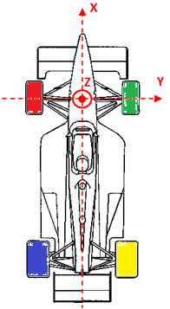
 | Air Density |  | 1.2255 | kg/m3 |  |  |  |  |  |  |  | Total | 0.0 | N.m/° |  | Rear
 | Frontal Area |  | 1.75 | m2 |  |  |  |  |  |  | A-R moment coming from | Front Tires | 4775.7 | N.m/° |  | Lateral | 55.4 | kg
 | Speed |  | 187.2 | km/h |  |  |  |  |  |  |  | Rear Tires | 5438.1 | N.m/° | Geo. W.T. | Front
 | Total Down Force |  | 0.00 | Kg |  |  |  |  |  |  |  | Total | 10213.8 | N.m/° |  | Lateral | -2.9 | kg
 |  |  |  |  |  |  |  |  |  |  | A-R in Series with tires | Front Axle | 294.8 | N.m/° |  | Rear
 |  |  |  |  |  |  |  |  |  |  |  | Rear Axle | 398.0 | N.m/° |  | Lateral | -6.8 | kg
Case to simulate |  |  |  |  |  |  |  |  |  |  |  | Total | 692.8 | N.m/°
Lat G |  |  | -2.00 | G
 |  |  |  |  |  |  |  |  |  |  | Additional values
Error message box |  |  |  |  |  |  |  |  |  |  | Front wheel rate (in serial with tire) |  | 23.46 | N/mm
 |  |  |  |  |  |  |  |  |  |  | Rear wheel rate (in serial with tire) |  | 30.01 | N/mm

 |  |  |  |  |  |  |  |  |  |  | w

Math
Intersection of a Line and Plane For Front View 2D Coordinates

Front Suspension |  | X | Y | Z
Plane: | Tire Centerline (Ground) | 842.10 |  |  | Points:
Lower | Chassis Aft | 610.00 | -215.00 | 120.00 | lLb | Lower Point Matrix
 | Chassis Fore | 970.00 | -215.00 | 120.00 | lLa | 360.00 | 0.00 | 0.00 | 127.90 | 0.35527777778 | t
 | Upright | 904.913 | -610.17 | 134.93 | lP0 | 0.00 | 355.16 | 355.16 | 395.16 | 0.57732884716 | u
 | Lower Point Above | 842.10 | -255.00 | 160.00 | lP1 | 0.00 | 25.07 | -54.93 | -14.93 | 0.53529486295 | v
 | Lower Point Below | 842.10 | -255.00 | 80.00 | lP2
 | Lower Chassis 2D Mount | 842.10 | -215.00 | 120.00
Upper | Chassis Aft | 622.00 | -287.00 | 336.00 | uLb | Upper Point Matrix
 | Chassis Fore | 974.00 | -287.00 | 336.00 | uLa | 352.00 | 0.00 | 0.00 | 131.90 | 0.37471590909 | t
 | Upright | 883.087 | -610.16 | 384.36 | uP0 | 0.00 | 283.16 | 283.16 | 323.16 | 0.65601493138 | u
 | Upper Point Above | 842.10 | -327.00 | 376.00 | uP1 | 0.00 | -8.36 | -88.36 | -48.36 | 0.4852469611 | v
 | Upper Point Below | 842.10 | -327.00 | 296.00 | uP2
 | Upper Chassis 2D Mount | 842.10 | -287.00 | 336.00

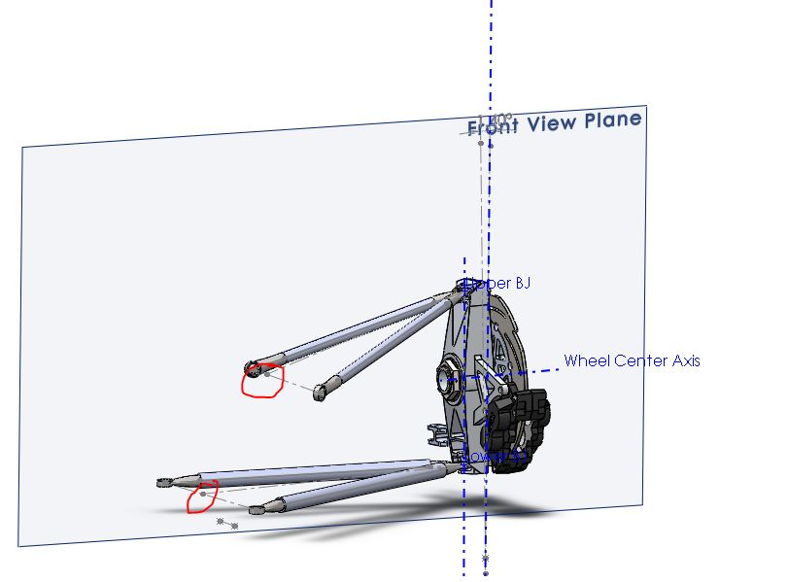
Rear Suspension |  | X | Y | Z
Plane: | Tire Centerline (Ground) | -734.28 |  |  | Points:
Lower | Chassis Aft | -710.16 | -231.13 | 128.78 | lLb | Lower Point Matrix
 | Chassis Fore | -470.62 | -302.72 | 133.81 | lLa | 239.54 | 0.00 | 0.00 | 263.66 | 1.1006929949 | t
 | Upright | -768.28 | -594.91 | 173.37 | lP0 | -71.59 | 252.19 | 252.19 | 292.19 | 0.89927094584 | u
 | Lower Point Above | -734.28 | -342.72 | 173.81 | lP1 | 5.03 | 0.44 | -79.56 | -39.56 | 0.57179694546 | v
 | Lower Point Below | -734.28 | -342.72 | 93.81 | lP2
 | Lower Chassis 2D Mount | -734.28 | -223.92 | 128.27
Upper | Chassis Aft | -709.22 | -287.60 | 298.79 | uLb | Upper Point Matrix
 | Chassis Fore | -471.39 | -327.55 | 307.42 | uLa | 237.83 | 0.00 | 0.00 | 262.89 | 1.1053693815 | t
 | Upright | -734.26 | -559.35 | 351.42 | uP0 | -39.95 | 191.80 | 191.80 | 231.80 | 0.84148550493 | u
 | Upper Point Above | -734.28 | -367.55 | 347.42 | uP1 | 8.63 | -4.00 | -84.00 | -44.00 | 0.59730233027 | v
 | Upper Point Below | -734.28 | -367.55 | 267.42 | uP2
 | Upper Chassis 2D Mount | -734.28 | -283.39 | 297.88

